IIC Frame
Byte Nr | Fixed Data | Slave Address | 0x38
0 | 128 | Data Bytes | 33
1 | 224
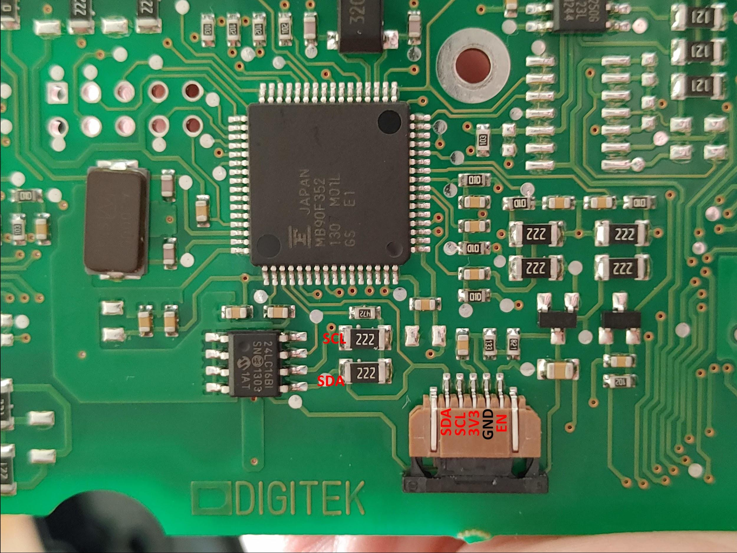
2 | 128
3 | 200
4 | 128
5 | 240
6 | 128
7 | 14
8 | 64
9 | -
10 | -
11 | -
12 | -
13 | -
14 | -
15 | -
16 | -
17 | -
18 | -
19 | -
20 | -
21 | -
22 | -
23 | -
24 | -
25 | -
26 | -
27 | -
28 | -
29 | -
30 | -
31 | -
32 | -
33 | -

TEMPs

 | Byte | Bit
Symbol | 17 | 0
Bar 1 | 17 | 4
Bar 2 | 17 | 6
Bar 3 | 17 | 5
Bar 4 | 17 | 7
Bar 5 | 17 | 3
Bar 6 | 17 | 1
Bar 7 | 17 | 2

LeftText
Digit: | 1 |  | 2 |  | 3 |  | 4 |  | 5
 | Byte | Bit | Byte | Bit | Byte | Bit | Byte | Bit | Byte | Bit
a | 27 | 7 | 25 | 7 | 23 | 7 | 21 | 7 | 19 | 7
b | 26 | 5 | 24 | 5 | 22 | 5 | 20 | 5 | 18 | 5
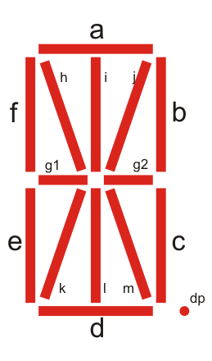
c | 26 | 4 | 24 | 4 | 22 | 4 | 20 | 4 | 18 | 4
d | 27 | 4 | 25 | 4 | 23 | 4 | 21 | 4 | 19 | 4
e | 27 | 0 | 25 | 0 | 23 | 0 | 21 | 0 | 19 | 0
f | 27 | 1 | 25 | 1 | 23 | 1 | 21 | 1 | 19 | 1
g1 | 27 | 2 | 25 | 2 | 23 | 2 | 21 | 2 | 19 | 2
g2 | 26 | 6 | 24 | 6 | 22 | 6 | 20 | 6 | 18 | 6
h | 27 | 5 | 25 | 5 | 23 | 5 | 21 | 5 | 19 | 5
i | 26 | 3 | 24 | 3 | 22 | 3 | 20 | 3 | 18 | 3
j | 26 | 1 | 24 | 1 | 22 | 1 | 20 | 1 | 18 | 1
k | 27 | 6 | 25 | 6 | 23 | 6 | 21 | 6 | 19 | 6
l | 26 | 2 | 24 | 2 | 22 | 2 | 20 | 2 | 18 | 2
m | 26 | 0 | 24 | 0 | 22 | 0 | 20 | 0 | 18 | 0
dp | - | - | - | - | - | - | 20 | 7 | - | -
colon | 26 | 7 | - | - | 22 | 7 | - | - | - | -
degree | - | - | - | - | - | - | 21 | 3 | - | -

RightText
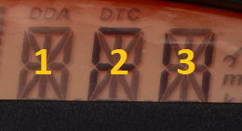
Digit: | 1 |  | 2 |  | 3
 | Byte | Bit | Byte | Bit | Byte | Bit
a | 16 | 7 | 14 | 7 | 12 | 7
b | 15 | 5 | 13 | 5 | 11 | 5
c | 15 | 4 | 13 | 4 | 11 | 4
d | 16 | 4 | 14 | 4 | 12 | 4
e | 16 | 0 | 14 | 0 | 12 | 0
f | 16 | 1 | 14 | 1 | 12 | 1
g1 | 16 | 2 | 14 | 2 | 12 | 2
g2 | 15 | 6 | 13 | 6 | 11 | 6
h | 16 | 5 | 14 | 5 | 12 | 5
i | 15 | 3 | 13 | 3 | 11 | 3
j | 15 | 1 | 13 | 1 | 11 | 1
k | 16 | 6 | 14 | 6 | 12 | 6
l | 15 | 2 | 13 | 2 | 11 | 2
m | 15 | 0 | 13 | 0 | 11 | 0
dp | 15 | 7 | 13 | 7 | - | -

Symbols
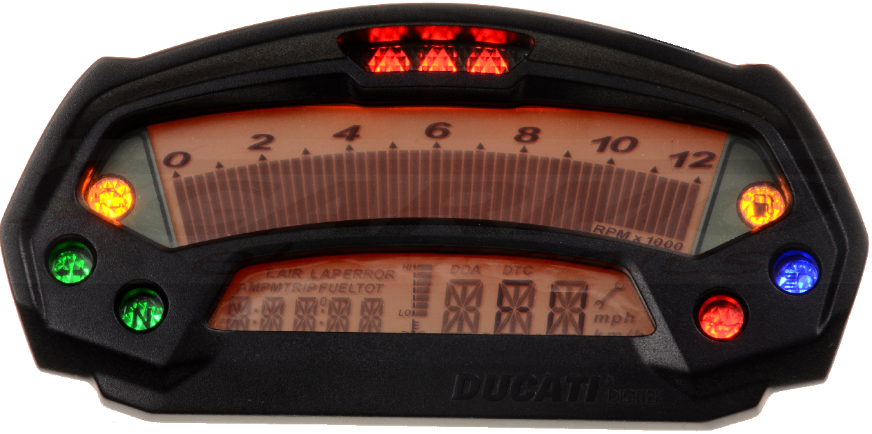
 | Byte | Bit
km/h | 10 | 0
Wrench | 10 | 1
T.AIR | 11 | 7
DTC | 12 | 3
DDA | 16 | 3
ERROR | 18 | 7
TOT | 19 | 3
mph | 10 | 2
FUEL | 23 | 3
TRIP | 24 | 7
PM | 25 | 3
AM | 27 | 3
LAP | 14 | 3

